Bug Report
BUG REPORT

Bug ID | BU_LOG_001
Problem | No empty cart message appears & checkout successful
Environment | Production/Staging
Data | First Name: Isna
 | Last Name: INY
 | Zip: 12345
Step To Repro | 1. Login with valid credentials 2. Ensure cart is empty 3. Click cart icon 4. Click "Checkout" button 5. Verify user cannot proceed OR empty cart message is displayed
Severity | High
Actual Result | No empty cart message appears & checkout successful
Expected Result | User cannot proceed OR sees empty cart message like “Cart is empty”
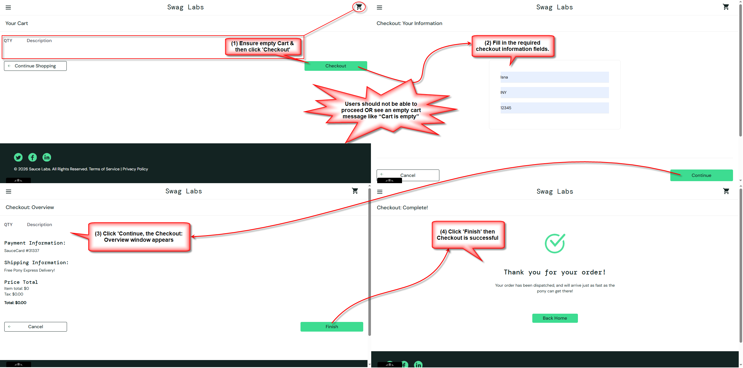
Evidence

Bug ID | BU_LOG_002
Problem | User already logged in & cart is empty, User can access checkout page AND complete checkout BUT error/validation message not displayed.
Environment | Production/Staging
Data | First Name: Isna
 | Last Name: INY
 | Zip: 12345
Step To Repro | 1. Login with valid credentials 2. Ensure cart is empty 3. Navigate directly to checkout URL: https://www.saucedemo.com/checkout-step-one.html 4. Verify user is redirected to cart or blocked
Severity | High
Actual Result | User can access checkout page AND complete checkout BUT error/validation message not displayed
Expected Result | User can access checkout page BUT cannot complete checkout AND error/validation message displayed
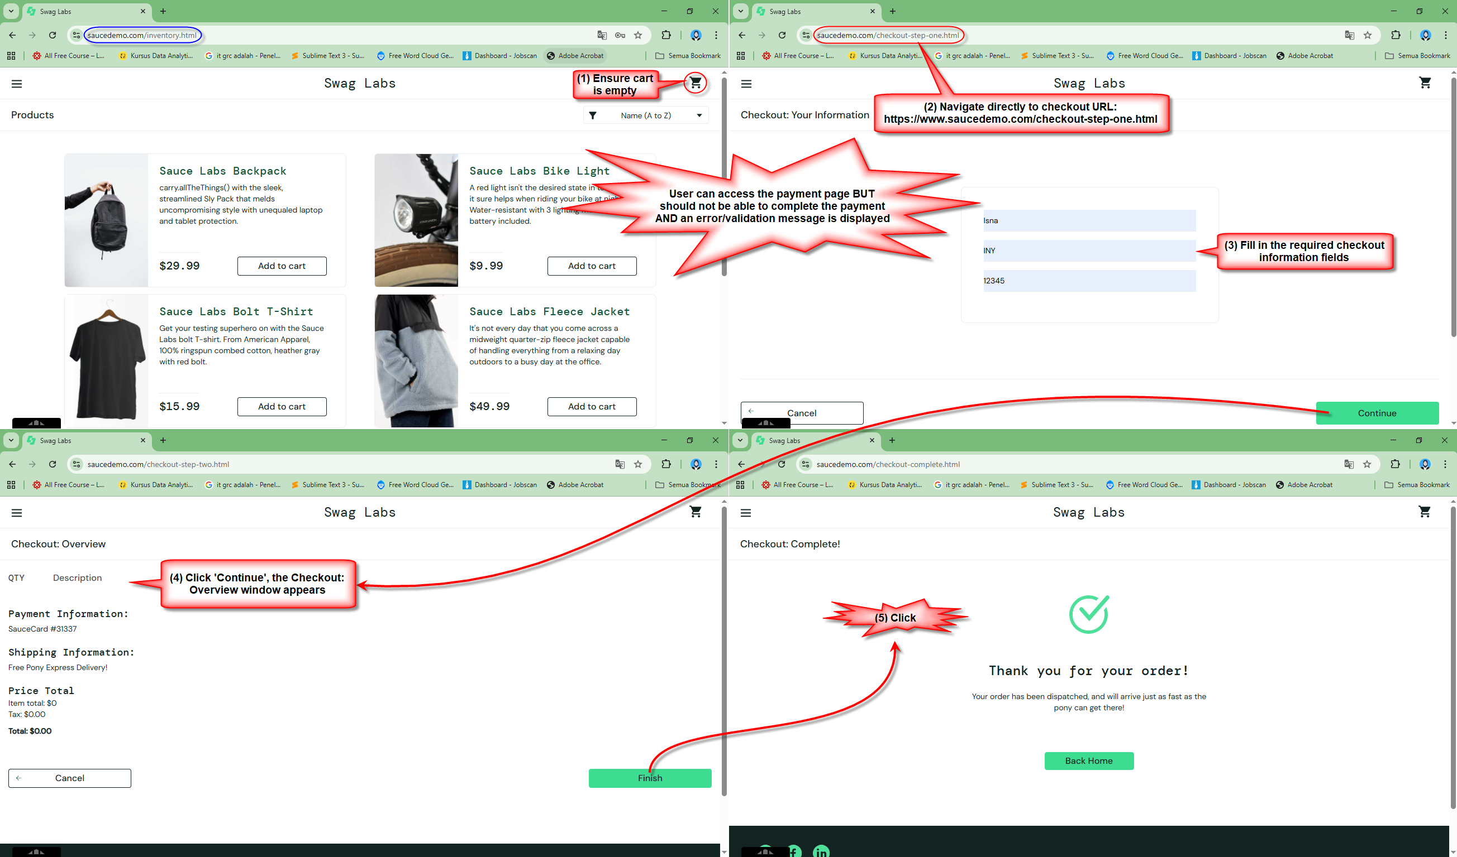
Evidence

